Normalizer
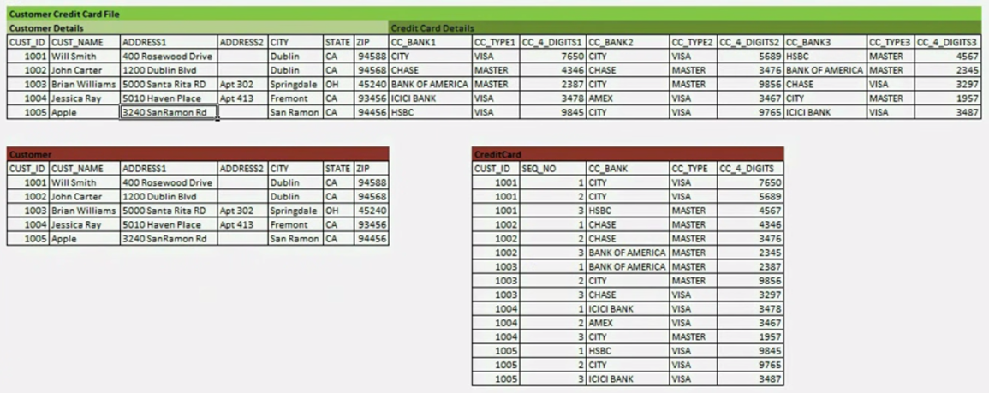
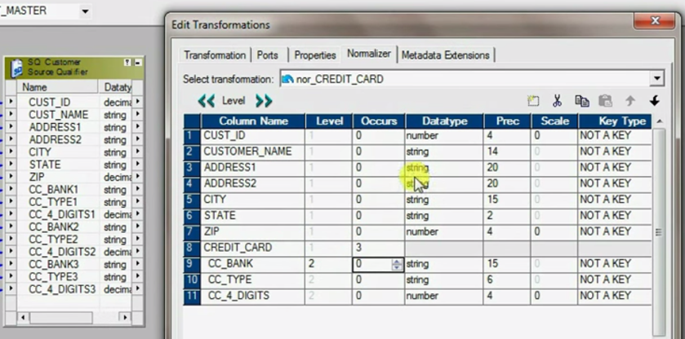
select * from tab

col1 | col2 | col3
A | B | C
P | Q | R

select * from tab upivot (col for col1 in (col1, col2,col3)
COL1 | COL
COL1 | A
COL2 | B
COL3 | C
COL1 | P
COL2 | Q
COL3 | R

Get an example of normailizer from internet

 | Student Name | Math | Life Science | Physical Science
 | Sam | 100 | 70 | 80
 | John | 75 | 100 | 85
 | Tom | 80 | 100 | 85

 | Student Name | Suject Name | Marks
 | Sam | Math | 100
 | Sam | Life Science | 70
 | Sam | Physical Science | 80
 | John | Math | 75
 | John | Life Science | 100
 | John | Physical Science | 85
 | Tom | Math | 80
 | Tom | Life Science | 100
 | Tom | Physical Science | 85

Normalizer followed by an expressionn transformation like the following:
 | v_SujectName = IIF(GCID = 1, 'Math', (IIF GCID = 2, 'Life Science', (IIF GCID = 3, 'Physical Science')))

36-3 | What are the levels in Normalizer transformation

37-4 | GCID vs GK

 | Name | EXPENSEHEAD | GCID | EXPENSE | GK
 | Saurav | FOOD | 1 | 1000 | 1
 | Saurav | HOUSERENT | 2 | 2000 | 1
 | Saurav | TRANSPORT | 3 | 500 | 1
 | Jenny | FOOD | 1 | 2000 | 2
 | Jenny | HOUSERENT | 2 | 500 | 2
 | Jenny | TRANSPORT | 3 | 700 | 2

GK is a sequence number for each source row. If the source row has 10 rows then the largest GK will be 10. check restart,GK will always start from 1.
GCID: When a single source row converted to multiple row, this is an index for each multiple occuring data. If a single row will be converted to 10 rows. Then starting from 1, the largest GCID will be 10. Check reset,GCID will always start from 1.

Normalizer has only 3 different data types: string; number; nstring. Date data type needs to ne converted to string first.

Normalizer can duplicate one row into multiple rows.

What is a normalizer?
It is an connected active transformation. It is a SQ from cobol source. It is used to converting row to column

http://youtu.be/yF8C-i5-xfA

Transaction Control
TC_CONTINUE_TRANSACTION. The Integration Service does not perform any transaction change for this row. This is the default value of the expression.

TC_COMMIT_BEFORE. The Integration Service commits the transaction, begins a new transaction, and writes the current row to the target. The current row is in the new transaction.

TC_COMMIT_AFTER. The Integration Service writes the current row to the target, commits the transaction, and begins a new transaction. The current row is in the committed transaction.

TC_ROLLBACK_BEFORE. The Integration Service rolls back the current transaction, begins a new transaction, and writes the current row to the target. The current row is in the new transaction.

TC_ROLLBACK_AFTER. The Integration Service writes the current row to the target, rolls back the transaction, and begins a new transaction. The current row is in the rolled back transaction.

IIF(DEPTNO_SPLITTING = 0, TC_COMMIT_BEFORE, TC_CONTINUE_TRANSACTION)
At the end of each group of records, DEPTNO_SPLITTING is set to 0 in the previous expression transformation. The input is sorted.

Below mapping shows that transaction control transformations can even save records to different file names based on depno. A file contains only one deptno.

 | FileName is auto added when the target choose flat file

Below is the expression transformation:

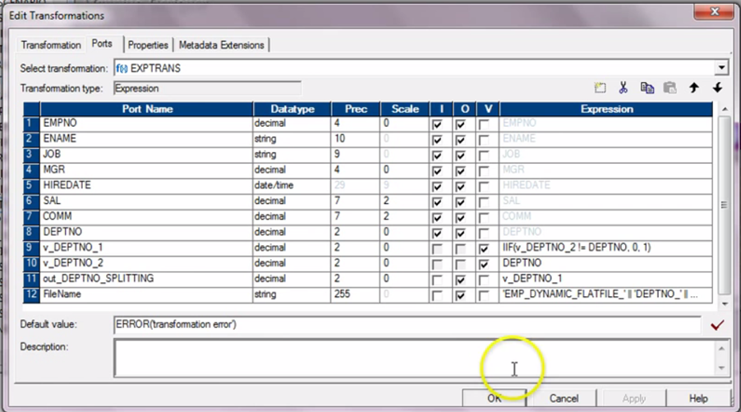

'DEPTNO'||TO_CHAR(DEPTNO)

Below shows how the filename column is added to the target transformation. This happens in the ports tab

Interview question: How to create dynamic files?

m_ANONYMOUS_DATA_EXTRACT in cami_data_hub
IIF(o_file_flag='Y',TC_COMMIT_BEFORE,TC_CONTINUE_TRANSACTION)

When using the Transaction control (just before the target) you should be able to specify TC_CONTINUE_TRANSACTION for all rows and if the session property
Commit on End of File is enabled is enable, a commit should be issued automatically at the end of the session.

Mapplet
you can create the fields of mapplet source transformation easily by just drag the fields from a source quanlifier to the mapplet source
77-1. A Mapplet is a reusable object that has a colloction of transformations.
77-2. Created by Mapplet designer. Used in a mapping. Any changes made to the mapplet is inherited by all instance of the mapplet.

77-3. What are the transformations that are not supported in Mapplet?
 | Normalizer, Cobol sources, XML sources, XML Source Qualifier, Target definations, Pre- and Post- session Stored Procedures, Other Mapplet.
 | Some transformation is not supported by mapplet.

77-4. Converting a non-reusable transformation into a reusable transformation is not reversable.

77-6. Worklet can be in worklet but maplet can not be in maplet.

A portion of mapping that can be shares across a lot of mappings so that we can improve the proficient of coding.
Calculate Summarized Result:

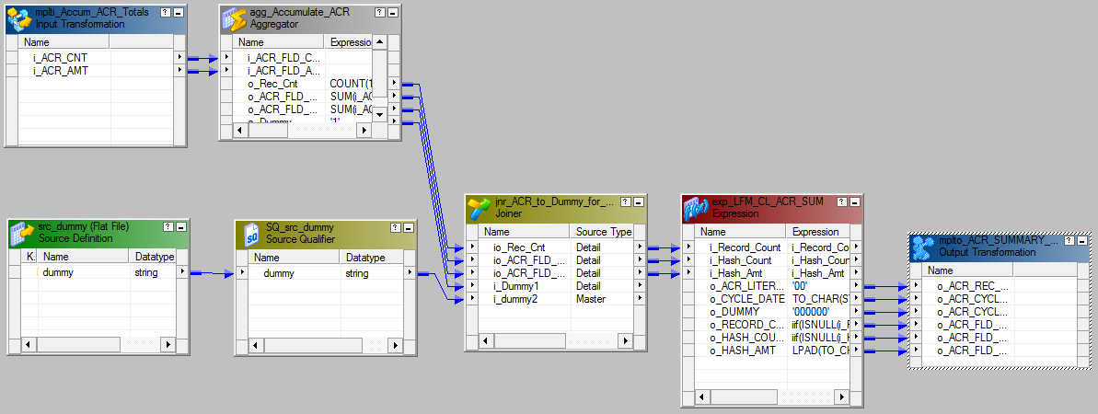

Create Loan Code

workflow
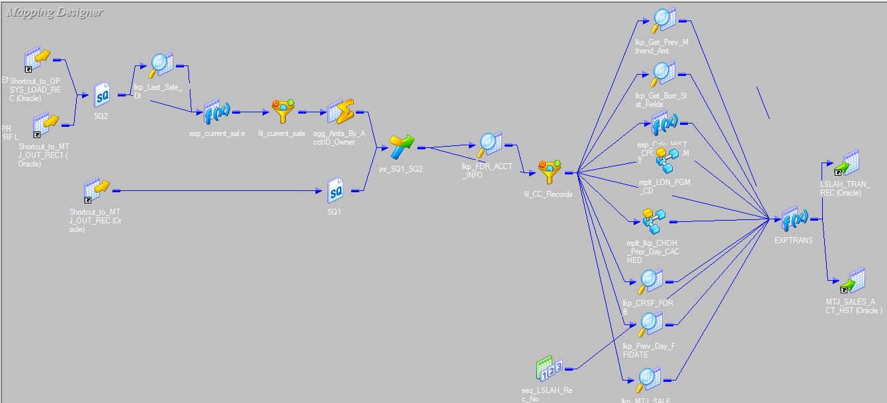
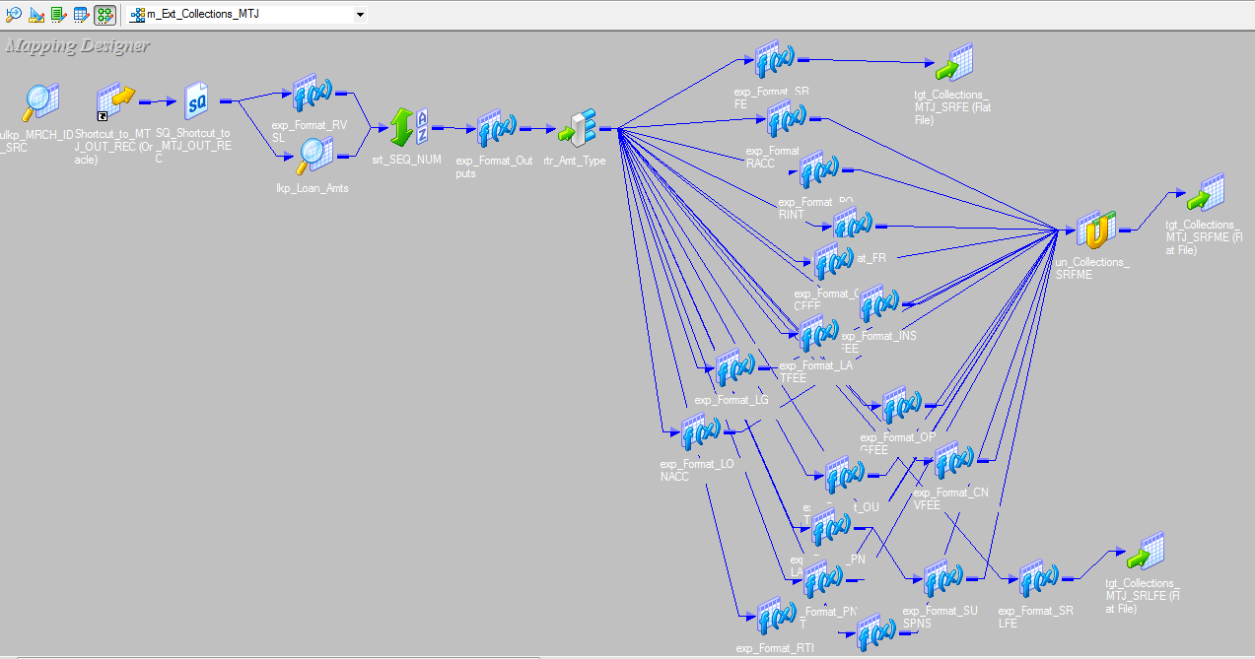
command task: Can use any valid unix command or shell script
To remove rejected files, ftp files, creating files, copy/move files or archive archive a file.

86-1. STOP command will stop reading from source
ABORT command has a timeout period of 60 seconds. It will kill the DTM if it is not done within 60 seconds.
There are pmcmd stop and pmcmd abort.
We can also abort from mapping level.

86-2.
Continueously workflow. Starts when the integration service initialized. When the previous one stops, the next instance start immediately.

86-3 How to send email by using email task?
Informatica pre build variables: Mapping Name? Session Start Time.

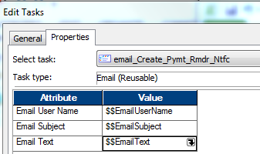

87-4 How to send a mapping variable value in the email.
 | 1. Save the value to a file.
 | 2. cmd command task, read the value from script and mail th value.

87-5. How to send two separate emails after succesful run a session.
 | 1. On success email
 | 2. emall tasks.

What is Cold Start in Informatica?
 | To resume a session, we must restart or recover the session.
 | A session is restarted automatically if you enable the session for automatic task recovery.(workflow proverty)

 | Code restard mode: All recovery information are removed and the session start from the beginning. It may result duplicate record in target.

 | Restart can be started from the workflow manager, workflow monitor, pmcmd.

 | If recovery is not enabled, there is no difference between cold restart and restart. They are all cold restart.

89-11.
 | wf1:s1,s2
 | wf2:s3,s4,s5
 | How can we run the workflow so the the sessins are run in s1,s2,s3,s4,s5?

90-12. | How do we send a session failure mail with workflog and session log as attachment?

 | Informatica email attachment only avaliable in the context of session:
 | (%g) - To attach session log.
 | (%a<>) - To attach any file, Absolute path needs to be given <>.
 | Lauch email text window and we will see more email contents.

90-13. Deadlock in Informatica
 | Deadlock happens when the below two session do the updates at the same moment.
 | session one: update emp set deptno=20 where deptno=10
 | session two: update emp set deptno=30 where deptno=10

 | Sulotion is use session property "deadlock retry limits' and 'deadlock recovery option'

91-15. How can we pass a value from one workflow to another.
 | use intermediate file.

 | m_Ext_Collections_MTJ_NONMON

parameter file
Get an example of session/mapping level parameter file

A parameter file contains two sections:
1. Heading section:
 | It is to identify the integration service, folder, workflow, worklet, sessions to which the parameters or variables apply.

2. Defination Section:
 | This section contains list of parameters and variables with their assigned values.

[Student_Folder.WF:wfl_test]
$$GENDER=F

In this case s_test is the session name
[Student_Folder.wfl_test.s_test]

Pass a variable from one session to another session.
First session get the record count.
The first session will have a parameter $$Var1Map1 defined and the secord session will have $$Var2Map2 defined
Define a workflow variable $$wfl_var_Recount.
$$wfl_var_Recount->$$Var1Map1 and $$wfl_var_Recount->$$Var2Map2

To assign a value to a parameter in expression transformation:
SetVariable($$Var1Map1,TotalCount)

Sample Parameter File
The following text is an excerpt from a parameter file that contains service variables for one Integration Service and parameters for four workflows:
----------------------------------------

File created by RSmith 11/12/2005

----------------------------------------
[Service:IntSvs_01]
$PMSuccessEmailUser=pcadmin@mail.com
$PMFailureEmailUser=pcadmin@mail.com
[HET_TGTS.WF:wf_TCOMMIT_INST_ALIAS]
$$platform=unix
[HET_TGTS.WF:wf_TGTS_ASC_ORDR.ST:s_TGTS_ASC_ORDR]
$$platform=unix
$DBConnection_ora=Ora2
$ParamAscOrderOverride=UPDATE T_SALES SET CUST_NAME = :TU.CUST_NAME, DATE_SHIPPED = :TU.DATE_SHIPPED, TOTAL_SALES = :TU.TOTAL_SALES WHERE CUST_ID = :TU.CUST_ID
[ORDERS.WF:wf_PARAM_FILE.WT:WL_PARAM_Lvl_1]
$$DT_WL_lvl_1=02/01/2005 01:05:11
$$Double_WL_lvl_1=2.2
[ORDERS.WF:wf_PARAM_FILE.WT:WL_PARAM_Lvl_1.WT:NWL_PARAM_Lvl_2]
$$DT_WL_lvl_2=03/01/2005 01:01:01
$$Int_WL_lvl_2=3
$$String_WL_lvl_2=ccccc

 | [OPSYS_SPRINT2.WF:wkf_Load_FDR_RetroFile_OPSYS]
 | $PMMergeSessParamFile=TRUE
 | $$EmailUserName=opsys-qa-support@lists.salliemae.com
 | $$EmailSubject=OPSYS_SPRINT2 - FDR Retro File Load Delayed
 | $$EmailText=The Workflow $PMWorkflowName in $PMIntegrationServiceName/$PMFolderName is running for more than 2 hours
 | $$RetroFile=$PMSessionLogDir/$PMFolderName/ftp_data/FDRM.retro
 | $$RetroFile_bkp=$PMSessionLogDir/$PMFolderName/Backup/FDRM.retro
 | $$WaitFDRRetroFile=$PMSessionLogDir/$PMFolderName/ftp_data/FDRM.retro
 | $$FDRRetroDoneFile=$PMSessionLogDir/$PMFolderName/TgtFiles/RetroF_Done.txt

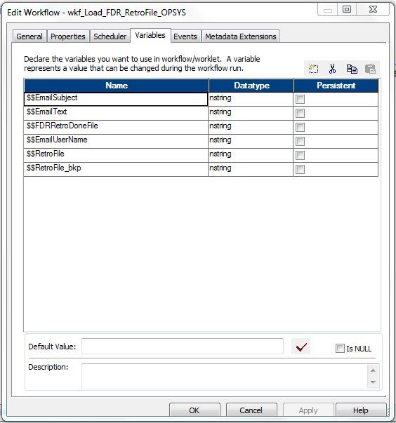

 | [OPSYS_SPRINT2.WF:wkf_ORA_GATHER_SCHEMA_STATS]
 | $PMMergeSessParamFile=TRUE
 | $$StatsDoneFile=$PMSessionLogDir/$PMFolderName/TgtFiles/Stats_Done.txt

 | [OPSYS_SPRINT2.WF:wkf_s_m_Load_FDRMMBT_OPSYS]
 | $PMMergeSessParamFile=TRUE
 | $$EmailUserName=opsys-qa-support@lists.salliemae.com
 | $$EmailSubject=OPSYS_SPRINT2 - MMBT File Load Delayed
 | $$EmailText=The Workflow $PMWorkflowName in $PMIntegrationServiceName/$PMFolderName is running for more than 2 hours
 | $$FDRMMBTDoneFile=$PMSessionLogDir/$PMFolderName/TgtFiles/FDRMMBT_Done.txt
 | $$loanmmbFile=$PMSessionLogDir/$PMFolderName/ftp_data/FDRM.loanmmbfile
 | $$loanmmbFileDone=$PMSessionLogDir/$PMFolderName/ftp_data/FDRM.loanmmbfile.end
 | $$loanmmbFile_bkp=$PMSessionLogDir/$PMFolderName/Backup/FDRM.loanmmbfile

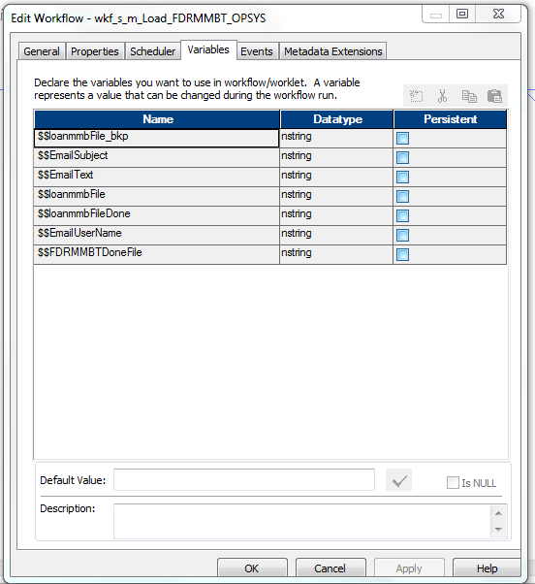

$PMMergeSessParamFile=TRUE?

[OPSYS_SPRINT2.WF:wkf_Artiva_File_Handler]
$PMMergeSessParamFile=TRUE
$$Artiva_HeaderFile=$PMSessionLogDir/$PMFolderName/TgtFiles/ARTBATCHMEMOS_HDR
$$Artiva_DetailFile=$PMSessionLogDir/$PMFolderName/TgtFiles/ARTBATCHMEMOS_DTL
$$ArtivaFile=$PMSessionLogDir/$PMFolderName/ftp_data/ARTBATCHMEMOS
$$ArtivaFile_bkp=$PMSessionLogDir/$PMFolderName/Backup/ARTBATCHMEMOS
$$FDR024File=$PMSessionLogDir/$PMFolderName/TgtFiles/PKPM.CIR9021.SAL.INPUTFLE.PASS.ARTIVA
$$SCRFile=$PMSessionLogDir/$PMFolderName/Scripts/OPSYS_ArtivaHandler_scr.txt
$$RecordLength=0
$$SourceFile=$PMSessionLogDir/$PMFolderName/TgtFiles/PKPM.CIR9021.SAL.INPUTFLE.PASS.ARTIVA
$$SourceFile_bkp=$PMSessionLogDir/$PMFolderName/Backup/PKPM.CIR9021.SAL.INPUTFLE.PASS.ARTIVA
$$TargetFile=PKPM.CIR9021.SAL.INPUTFLE.PASS.ARTIVA
$$FolderName=OPSYS_SPRINT2
$$FTPMode=Binary
$$EmailUserName=opsys-qa-support@lists.salliemae.com
$$EmailSubject=OPSYS_SPRINT2 - ARTBATCHMEMOS file delayed
$$EmailText=The Workflow $PMWorkflowName in $PMIntegrationServiceName/$PMFolderName is running for more than 2 hours
$$TgtServer=ConnectDirect
$AppConnectionFDR=PWX_NRDB_Batch_Linux
$PWXOutputFile1=$PMSourceFileDir/OPSYS_SPRINT2/TgtFiles/PKPM.CIR9021.SAL.INPUTFLE.PASS.ARTIVA
$$ArtivaDoneFile=$PMSessionLogDir/$PMFolderName/ftp_data/ARTBATCHMEMOS.done
$$FDRRawdataLoadDoneFile=$PMSessionLogDir/$PMFolderName/TgtFiles/FDRRawdata_Done.txt

/prm_Load_CMemoFDR024_FB_Trimmed.txt
[OPSYS_SPRINT1.r_s_m_fmt_CMemo_FDR024]
$Inputfile1=$PMSessionLogDir/OPSYS_SPRINT1/ftp_data/ARTBATCHMEMOS
$Inputfile2=$PMSessionLogDir/OPSYS_SPRINT1/ftp_data/ARTBATCHMEMOS
$OutputFile1=$PMSessionLogDir/OPSYS_SPRINT1/TgtFiles/ARTBATCHMEMOS_HDR
$OutputFile2=$PMSessionLogDir/OPSYS_SPRINT1/TgtFiles/ARTBATCHMEMOS_DTL
$PMSessionLogFile=$PMSessionLogDir/OPSYS_SPRINT1/SessLogs/r_s_m_Load_CMemoFDR024.log
$$ROW_CNT=0

[OPSYS_SPRINT1.r_s_m_Load_CMemoFDR024_FB_Trimmed]
$DBConnectionOPSYS=FLIPPINT
$Inputfile_hdr=$PMSessionLogDir/OPSYS_SPRINT1/TgtFiles/ARTBATCHMEMOS_HDR
$Inputfile_dtl=$PMSessionLogDir/OPSYS_SPRINT1/TgtFiles/ARTBATCHMEMOS_DTL
$PWXOutputFile1=$PMSourceFileDir/OPSYS_SPRINT1/TgtFiles/PKPM.CIR9021.SAL.INPUTFLE.PASS.ARTIVA
$OutputFilePath=$PMSourceFileDir/OPSYS_SPRINT1/TgtFiles/EXCP_CHRON_MEMO_File.txt
$PMSessionLogFile=$PMSessionLogDir/OPSYS_SPRINT1/SessLogs/r_s_m_Load_CMemoFDR024_FB_Trimmed.log
$AppConnectionFDR=PWX_NRDB_Batch_Linux

[OPSYS_SPRINT1.r_s_m_Load_Excp_Chron_Memo_Tbl]
$DBConnectionOPSYS=FLIPPINT
$InputFilePath=$PMSourceFileDir/OPSYS_SPRINT1/TgtFiles/EXCP_CHRON_MEMO_File.txt
$PMSessionLogFile=$PMSessionLogDir/OPSYS_SPRINT1/SessLogs/r_s_m_Load_ Excp_Chron_Memo_Tbl.log
$PMCacheDir=$PMSessionLogDir/OPSYS_SPRINT1/Cache
$PMErrorLogFile=$PMBadFileDir/OPSYS_SPRINT1/BadFiles/r_s_m_Load_ Excp_Chron_Memo_Tbl.log

[OPSYS_SPRINT1.r_s_m_Create_OPSYS_FDR_Memo_Excp_Report]
$DBConnectionOPSYS=FLIPPINT
$OutputFilePath=$PMSourceFileDir/OPSYS_SPRINT1/TgtFiles/FDRT.INFO.OPSM0001
$PMSessionLogFile=$PMSessionLogDir/OPSYS_SPRINT1/SessLogs/r_s_m_Create_OPSYS_FDR_Memo_Excp_Report.log
$PMCacheDir=$PMSessionLogDir/OPSYS_SPRINT1/Cache
$$ExtDateTime=TO_CHAR(SYSDATE,'MM/DD/YYYY')||' 18:00'
$$PreSQLUpdate=UPDATE EXCP_CHRON_MEMO set PRCS_TS = TO_DATE ($$ExtDateTime,'MM/DD/YYYY hh24:MI') WHERE EXCP_CD='A01' AND PRCS_TS = TO_DATE('01/01/1900','MM/DD/YYYY');
[OPSYS_SPRINT1.r_s_m_Load_CMemoFDR024_FB_Trimmed_PROB]
$DBConnectionOPSYS=FLIPPINT
$Inputfile_hdr=$PMSessionLogDir/OPSYS_SPRINT1/ftp_data/FTPBATCHMEMOS_HDR
$Inputfile_dtl=$PMSessionLogDir/OPSYS_SPRINT1/ftp_data/FTPBATCHMEMOS_DTL

$PWXOutputFile1=$PMSourceFileDir/OPSYS_SPRINT1/TgtFiles/PKPM.CIR9021.SAL.INPUTFLE.PASS.BTCHMEMO

$OutputFilePath=$PMSourceFileDir/OPSYS_SPRINT1/TgtFiles/EXCP_CHRON_MEMO_File_PROB.txt

$PMSessionLogFile=$PMSessionLogDir/OPSYS_SPRINT1/SessLogs/r_s_m_Load_CMemoFDR024_FB_Trimmed_PROB.log
$AppConnectionFDR=PWX_NRDB_Batch_Linux

$PMMergeSessParamFile=TRUE

[OPSYS_JUN14.r_s_m_Ext_CISOPSYS_FDR012_AddrColl_1715]
$DBConnectionOPSYS=FLIPDV
$PMSessionLogFile=$PMSessionLogDir/OPSYS_JUN14/SessLogs/Ext_CISOPSYS_FDR012_AddrColl_1715.log
$InputFilePath=$PMSessionLogDir/OPSYS_JUN14/SrcFiles/dummy.txt
$OutputFilePath=$PMSessionLogDir/OPSYS_JUN14/TgtFiles/
$OutputFile1=PKPM.CHD0013.SLM.INPUTFLE.PASS.ADDR.FULL.CUST
$ErrorFile=$PMBadFileDir/$PMFolderName/BadFiles/Ext_CISOPSYS_FDR012_AddrColl_1715.bad
$PMCacheDir=$PMSessionLogDir/OPSYS_JUN14/Cache
$$ExtDateTime=TO_CHAR(SYSDATE,'MM/DD/YYYY')||' 17:15'
$$PreSQLUpdate=UPDATE CIS_ADDR_CLCT set PRCS_TS = TO_DATE ($$ExtDateTime,'MM/DD/YYYY hh24:MI') WHERE PRCS_TS = TO_DATE('01/01/1900','MM/DD/YYYY');

In the parameter file, folder and session names are case sensitive.
You can run a session with different parameter files when you use pmcmd to start a session. The parameter file you set with pmcmd overrides the parameter file in the session or workflow properties.

Session file parameters and database connection parameters provide the flexibility to run sessions against different files and databases.
The following table describe the user-defined session parameters:
$PMSessionLogFile
$PMBadFileDIR
$PMWorkflowLogDir
$PMCacheDIR
$PMSuccessEmailUser=pcadmin@mail.com
$PMFailureEmailUser=pcadmin@mail.com

$DynamicPartitionCount
$InputFileName
$LookupFileName
$OutputFileNames
$BadFileName
$DBConnectionName
$LoaderConnectionName
$FTPConnectionName
$QueueConnectionName
$AppConnectionName
$ParamName: Defines any other session property. For example, you can use this parameter to define a table owner name, table name prefix, FTP file or directory name, lookup cache file name prefix, or email address. You can use this parameter to define source, lookup, target, and reject file names, but not the session log file name or database connections. Define the parameter name using the appropriate prefix.
$ParamTgtOverride

The following table describes the built-in session parameters:
$PMFolderName
$PMIntegrationServiceName
$PMMappingName
$PMRepositoryServiceName
$PMRepositoryUserName
$PMSessionName
$PMSessionRunMode
$PMSourceQualifierName@numAffectedRows
$PMSourceQualifierName@numAppliedRows
$PMSourceQualifierName@numRejectedRows
$PMSourceName@TableName
$PMTargetName@numAffectedRows
$PMSourceQualifierName@numRejectedRows
$PMSourceName@TableName
$PMTargetName@numAffectedRows
$PMTargetName@numAppliedRows
$PMTargetName@numRejectedRows
$PMTargetName@TableName
$PMWorkflowName
$PMWorkflowRunId
$PMWorkflowRunInstanceName

Or, to define the UPDATE statement in a parameter file, complete the following Step
1.In the Designer, edit the target instance, enter session parameter $ParamMyOverride in the Update Override field, and save the mapping.
2.In the Workflow Manager, configure the workflow or session to use a parameter file.
3.Set $ParamMyOverride to the SQL UPDATE statement below the appropriate heading in the parameter file.

Where to Use Parameters and Variables(pg 210 "Advanced Workflow Guide")

[MyFolder.WF:wf_MyWorkflow.ST:s_MySession]
$FTPConnectionMyFTPConn=FTP_Conn1
$Param_FTPConnectionMyFTPConn_Remote_Filename=ftp_src.txt
$Param_FTPConnectionMyFTPConn_Is_Staged=YES

[Global]
All Integration Services, Integration Service processes, workflows, worklets, and sessions.

[Service:service name]
The named Integration Service and workflows, worklets, and sessions that this service runs.

[Service:service name.ND:node name]
The named Integration Service process and workflows, worklets, and sessions that this service process runs.

[folder name.WF:workflow name]
The named workflow and all sessions within the workflow.

[folder name.WF:workflow name.WT:worklet name]
The named worklet and all sessions within the worklet.

[folder name.WF:workflow name.WT:worklet name.WT:worklet name...]
The nested worklet and all sessions within the nested worklet.

[folder name.WF:workflow name.ST:session name]
-or-
[folder name.WF:workflow name.WT:worklet name.ST:session name]
-or-
[folder name.session name]
-or-
[session name]

Comments
You can include comments in parameter files. The Integration Service ignores lines that are not valid headings and do not contain an equals sign character (=). The following lines are examples of parameter file comments:

The parameter file you use with pmcmd overrides the parameter file in the workflow or session properties. If you do not enter a parameter file name in the pmcmd command line, the Integration Service uses the parameter file you specify in the workflow properties for the workflow and all sessions in the workflow. If you do not enter a parameter file name in the pmcmd command line or the workflow properties, the Integration Service uses the parameter file you specify in the session properties.

When a parameter or variable is defined in the same section of the workflow and session parameter files, the Integration Service uses the value in the workflow parameter file.
When a parameter or variable is defined in both the session section of the session parameter file and the workflow section of the workflow parameter file, the Integration Service uses the value in the session parameter file.

When a parameter or variable is defined in both the session section of the session parameter file and the workflow section of the workflow parameter file, the Integration Service uses the value in the session parameter file.

The pmcmd ‑paramfile option defines which parameter file to use when a session or workflow runs. The ‑localparamfile option defines a parameter file on a local machine that you can reference when you do not have access to parameter files on the Integration Service machine.

User-defined session parameters do not have default values, so you must define them in a parameter file. If the Integration Service cannot find a value for a user-defined session parameter, it fails the session, takes an empty string as the default value, or fails to expand the parameter at run time.
The next time you run the session, you might edit the parameter file to change the state to MD and delete the $$Time variable. This allows the Integration Service to use the value for the variable that the previous session stored in the repository. Because $$Time could be a persistant value.

When you define a workflow parameter file and a session parameter file for a session within the workflow, the Integration Service uses the workflow parameter file, and ignores the session parameter file. To use a variable to define the session parameter file name, you must define the session parameter file name and set $PMMergeSessParamFile=TRUE in the workflow parameter file. The $PMMergeSessParamFile property causes the Integration Service to read both the session and workflow parameter files.

Trouble Shooting

I have a section in a parameter file for a session, but the Integration Service does not seem to read it.
Make sure to enter folder and session names as they appear in the Workflow Manager. Also, use the appropriate prefix for all user-defined session parameters.

Explain Plan
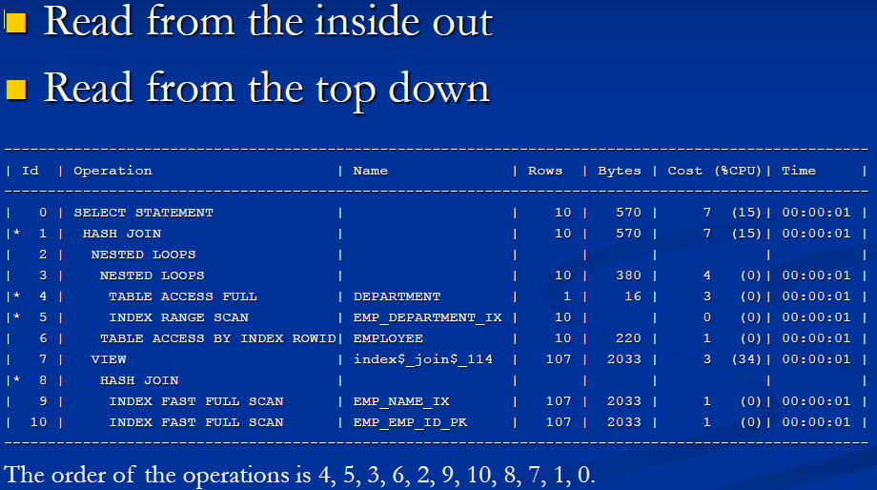

###################EXECUTION PLAN#########################3
WHAT SHOULD WE LOOK FOR IN AN EXECUTION PLAN
<1>full table scans
<2>join methods, join order
<3>index access methods
<4>filters(Elimiate rows as early as possible in the join order)
<5>parrallel operations
<6>patition processing
<7>dynamic statistics
<8>cost

FULL TABLE SCAN
The entire table is read up to the high water mark(HWM)
The HWM marks the last block in the table. If you have deleted all the rows in a table you will still read to the HWM block.
For tuning, we could lower the HWM:
a. alter table enable row movment
b. alter table shrink space

Full table scan for large table could be a problem. Ask question like:
Is there an indexed? if yes why it is not used? if there is no index can we create one?
A lot of SQL could stop the database from using the index. This parameter value will decide when to stop using full table scan instead of an index.

JOIN METHODS, JOIN ORDER
a. Nested Loop
b. Hash Join
c. Sort Merge Join
d. Cartesion Join

a. Nested loop
With nested loop we can get the first record be retrieve asap.
1.First we return all the rows from row source 1(driving table, outer table), typically the smaller of the two row source.
2.Then we probrow source2(larger table, inner table) once for each row returned from row source 1.
3.Good for joining smaller row sources.
4.Best used with indexed foreign key column.

The reviewer wants to make sure the small table is the driving table and the larger one is the inner table***
if 10 million result set is joing 10 million result set, it is a problem.
Nested loop is good for tenth of a thousand maybe 100 thousands.
Join order is critical that the join that produce the smaller result should be join first. Usually the smaller table join first

b. Hash Join
If the volume is large, a hash join is a better choice.

A.Smallest row source is choosen and used to build a hash table(in memory) and a bitmap.
B.The second row source is hashed and checked against the hash table looking for joins. the bitmap is used as a quick lookup to check if rows are in the hash table.
C.Good for joining larger row sources.
D.Needs PGA memeory. If PGA is too small, the optimizer has to choose a nested loop join.

c. Sort Merge Join
it need to sort on two source. It is not seen often.
A. Rows are produced by row source 1 and are then sorted
B. Rows from source2 are then produced and sorted by the same sort key as source1
C. Rows source1 and 2 are not access concurrently. Sorted rows from both sides are then merged together.
D. Needs PGA Memory. In case when PGA is not enough, paging will happen and it will be more slower
Hash join could be changed to sort merge join when the stats are not updated
Merge is better than nested loop join when the data volumes are huge.

d. Cartesion Join
This is the most expensive one and usually it is a mistake. No matching rows.
A. Every row from one row source is joined to every row from the second source
B. Usually the result of a poorly written join.

INDEX ACCESS METHODS
Index Range Scan
Index Unique Scan
Index Full Scan
Index Fast Full Scan
Index Skip Scan
We want to know if the join method is correct or not, did a index is even used

Index Range Scan
A. Method for accessing multiple column values.
B. A non-unique index may return multiple value for the predicate col1 = n and will use an index range scan.

Index Unique Scan
A. Methd for looking up a single key value via a unique index. Always a single value.

TABLE ACCESS BY ROWID EMP
INDEX UNIQUE SCAN EMP_IX0

Index Full Scan
Will read every block at the leaf level. It is better than full table scan
A. In certain circumstances it is possible for the whole index to be scanned where no constraining predicates are provided for the
table.
B. An index full scan will perform single block i/o and so it may prove to be inefficient.
select statement
index full scan emp_ix2.

Index Fast Full Scan

A. Scans all the block in the index rows are not returned in sorted order.
B. Use multiblock 1/o and can be executed in parallel.
There is a parameter call DB_FILE_MULTI_BLOCK_READ_COUNT. The default value is 128 blocks. This set how many blocks can be read for one

I/O. Reading multi blocks of record cannot keep the order.

Index Skip Scan
This is for multiple fields index. In case when you don't query on the leading column the index is usually not used.
with index skip scan feature the index can still be used even if a the leading column of the index are not used.
A. The optimizer can perform skip scans to retrieve rowids for values that do not use the prefix of the cancatenated index.
B. Initiated by probing the index for distinct values of the prefix column. Each of these distinct values of the prefix column. Each of

the distinct values are then used as a starting point for regular index search.
Index range scan is resulted from the bad sequence of composite index

<4>Filters
A. Restrictions in the WHERE clause.
B. Optimizer will try to filter rows before performing joins and this is the goal.
review and confirm that the filter are appied before join starts
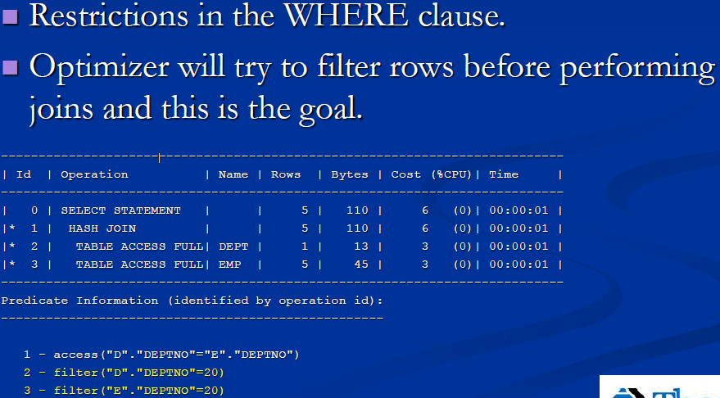

<5>Parallel Operations
A. Some SQL processing can be broken into separate
parallel processing steps.
B. Parallel processig can be hinted.
C. Some operations that might be seen in the execution
Plan:
1. px coordinator
2. px blockiterator
3. px send
4. px receive
px means parallel transaction.
<6>Partition Processing
A. Common practice to partition tables that are expected to contain a large volume of rows.
expected to contain a large volume of row.
B. The optimizer is partition-smart, and its plans should reflect this.
C. Partition access in the execution plan

<7>Dynamic Statistics
A. Indicators object statistics are missing

the bottom of the plan show the below message, show statistics is missing
- dynamic statistics used: dynamic sampling (level=2).

There is a data dictionary view called all_tables. The column called all_tables.num_rows

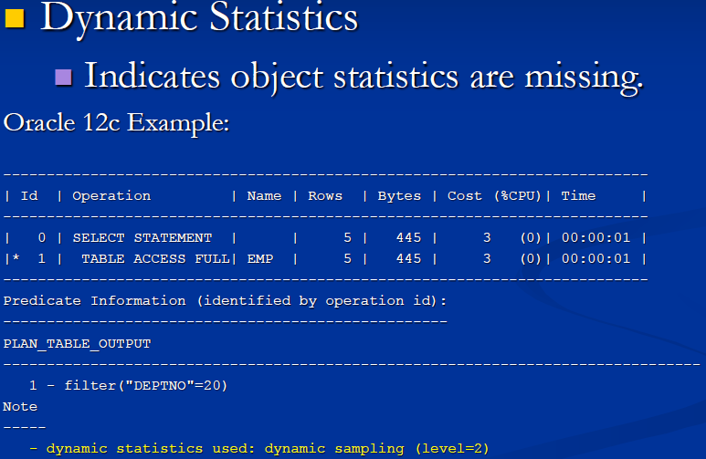

<8>Cost
A. Represents the estimated resource usage for a plan The optimizer's cost model accounts for the IO CPU, and network resource that

will be used by the query.
B. Cost for an entire plan is indicated on line 0 of the explain plan output
C. Used to compare different plans for the same query

Also consider cost.

When the Optimizer Considers Index Full Scans
Situations in which the optimizer considers an index full scan include:
<1>A predicate references a column in the index. This column need not be the leading column.
<2>No predicate is specified, but all of the following conditions are met:
All columns in the table and in the query are in the index.
At least one indexed column is not null.
<3>A query includes an ORDER BY on indexed non-nullable columns.

SELECT department_id, department_name
FROM departments
ORDER BY department_id;
Example 8-7 retrieves the plan using the DBMS_XPLAN.DISPLAY_CURSOR function.
The database locates the first index leaf block, and then proceeds horizontally to the right through the linked list of leaf nodes.
For each index entry, the database obtains the rowid from the entry, and then retrieves the table row specified by the rowid. In this way,
the database avoids a separate operation to sort the retrieved rows.

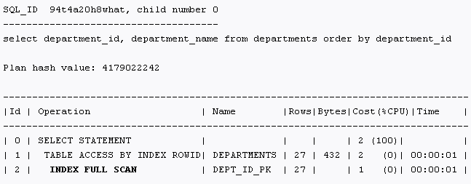

select /*+ index_ffs(departments dept_id_pk) */ count(*) from departments
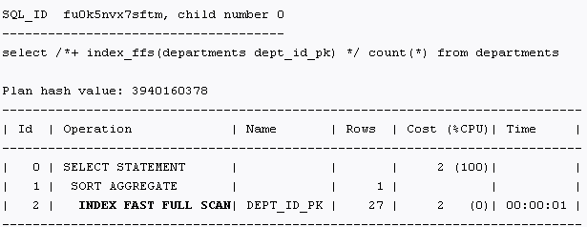

INDEX_JOIN SCAN
INDEX_JOIN(table_name)

ORACLE SQL optimization class is a 3 day class.

www.themisinc.com/webnars
Interpreting Oracle Explain Plan Output - John Mullins
20 Essential Oracle SQL and PL/SQL Tuning Tips

https://docs.oracle.com/database/121/TGSQL/tgsql_pt_ops.htm

